Sheet1
GUANGZHOU HAOCHENG AUTO PARTS CO., Ltd
Manufacturer of auto parts
Tel:+8618027197909 Add：Warehouse on the 1st floor, No.2 Beilu, Shihu village, Baiyun District, Guangzhou
Email:sales03@bucsautoparts.cn |  |  | Website:www.bucsautoparts.cn |  | whatsapp:+8618027197909 |  |  | wechat:18027197909
NO. | MODEL | NAME | 名称 | Number | 图片/picture | QTY | QTY | price |  | Total
1 | MY | Front Bumper | 前杠 | 1493736-S0-A | 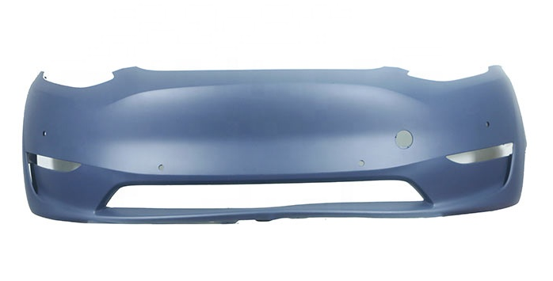 | 1 | 1 | $100 | Original | $100.0
2 | MY | Rear bumper lower guard cover | 后杠下裙盖板 | 1494009-00-A | 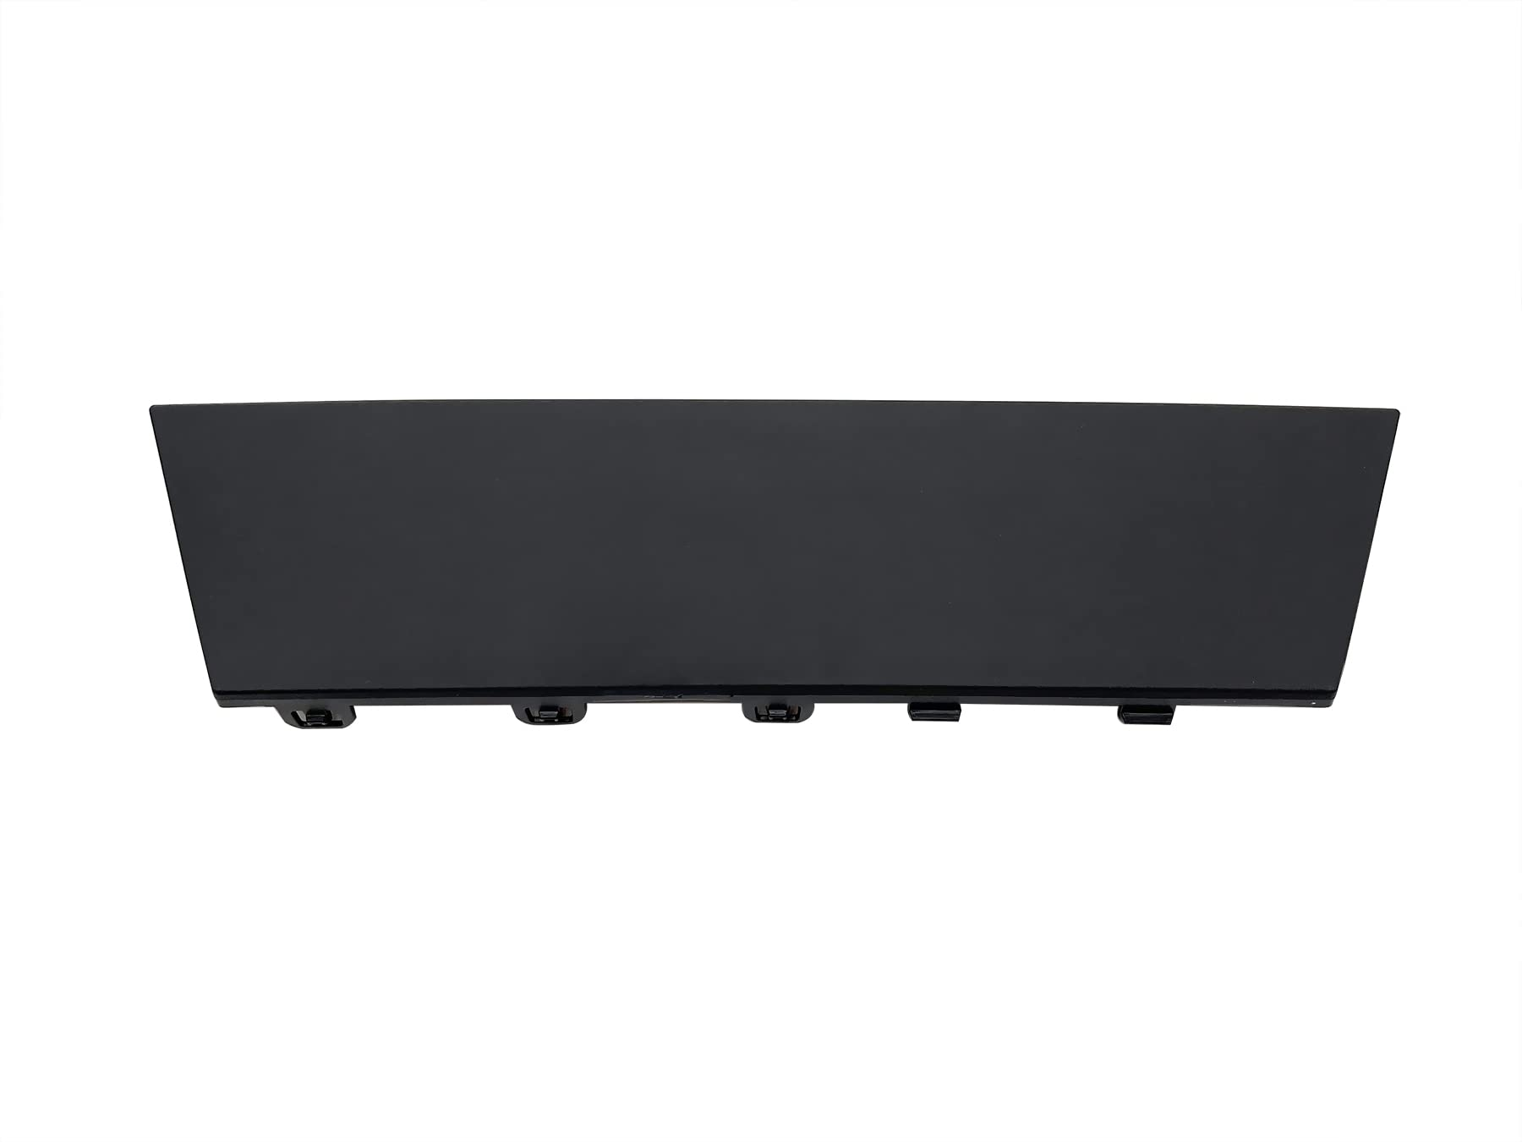 | 1 | 1 | $10.00 | Original | $10.0
3 | MY | Frunk | 前行李箱 | 1492606-00-C | 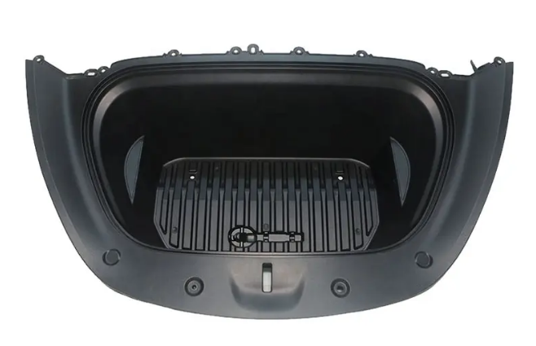 | 1 | 1 | $62.40 | Original | $62.4
4 | MY | Front spare case cover plate | 前行李箱盖板 | 1494088-00-A | 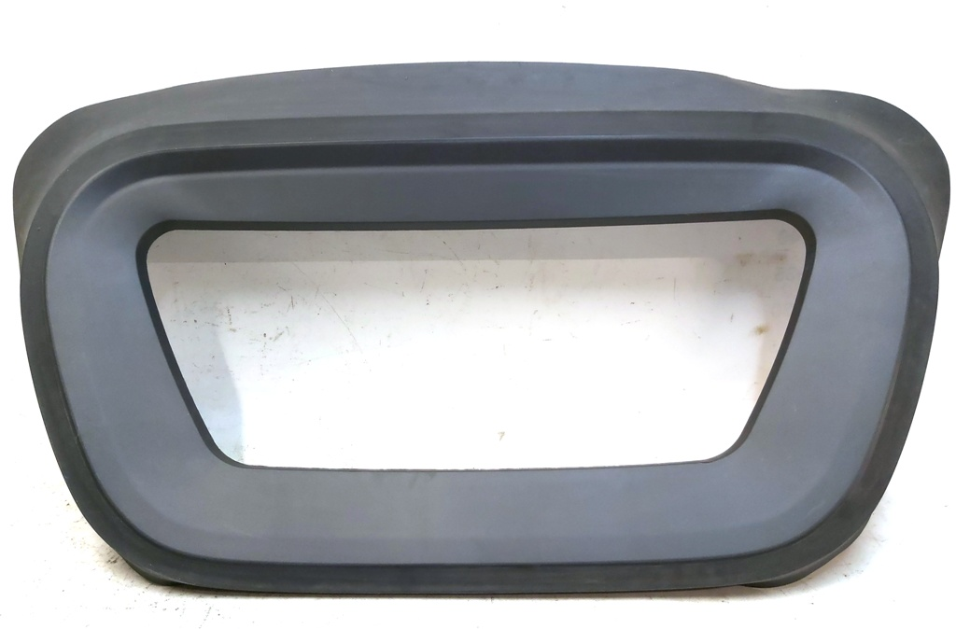 | 1 | 1 | $41.00 | copy | $41.0
5 | MY | front spare case small cover | 前行李箱小盖 | 1494086-00-B | 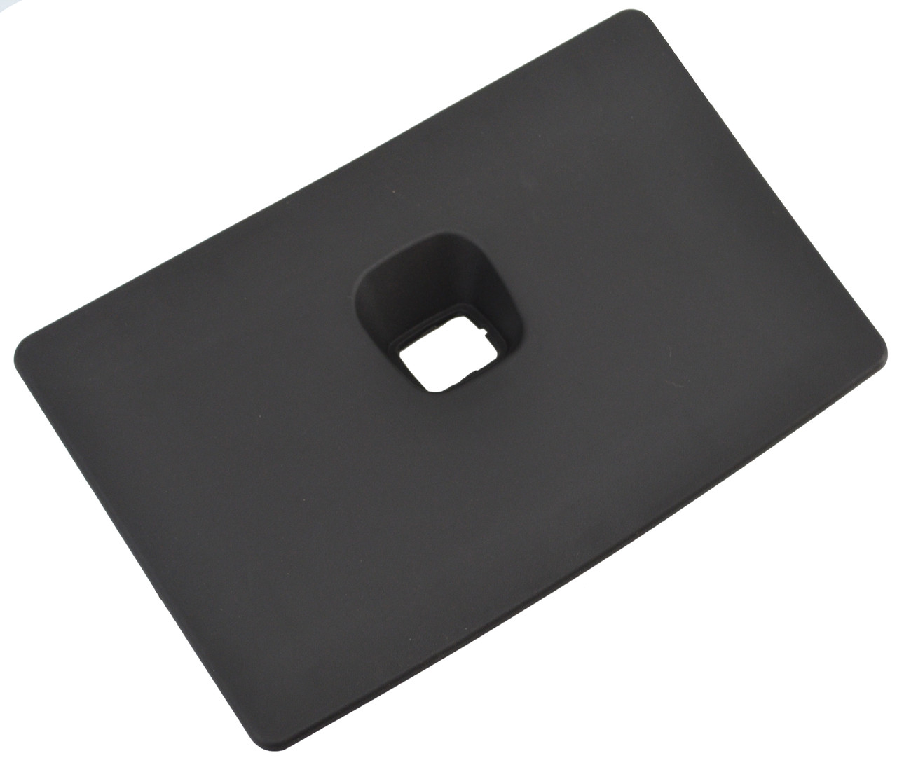 | 1 | 1 | $7.00 | copy | $7.0
6 | MY | Radiator Bracket | 龙门架 | 1495245-00-C 1516277-00-D 1660026-00-A | 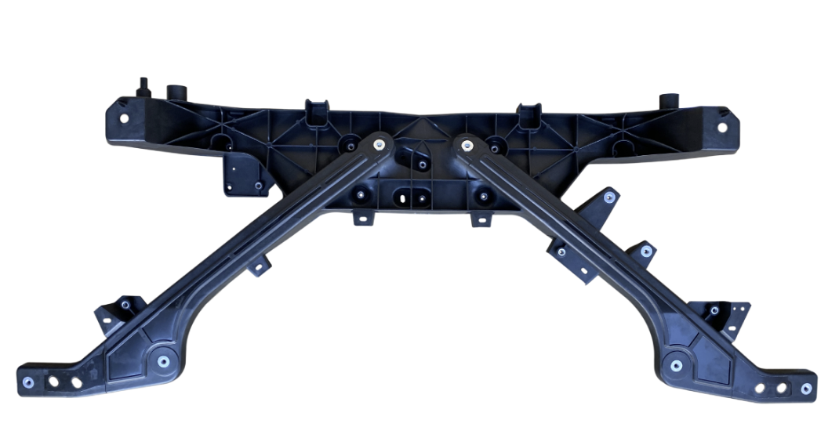 | 1 | 1 | $19.00 | copy | $19.0
7 | MY | Bumper Grille | 下中网 | 1493759-00-A | 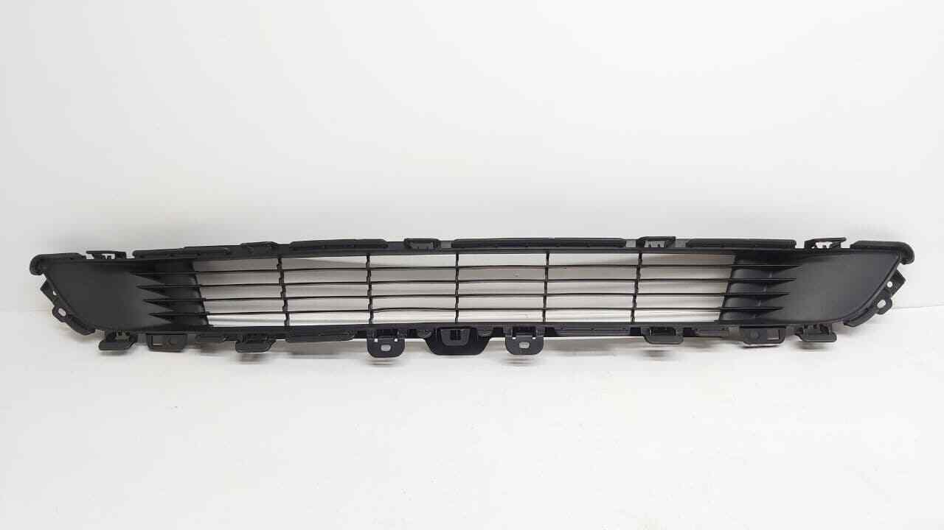 | 1 | 1 | $11.70 | Original | $11.7
8 | MY | Hood | 头盖 | 1493370-S0-A | 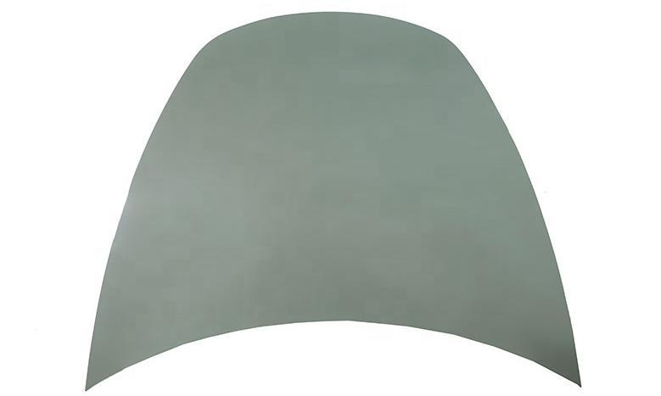 | 1 | 1 | $110.00 | used | $110.0
9 | MY | Fender/L Fender/R | 叶子板L 叶子板R | 1493451-S0-A 1493452-S0-A | 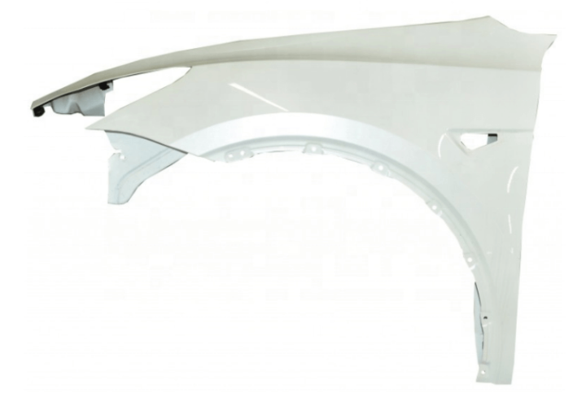 | L=1 | 1 | $65.00 | used | $65.0
10 | MY | The Left Front Door The Right Front Door | 前车门 L 前车门 R | 1505460-EC-A 1501462-EC-A | 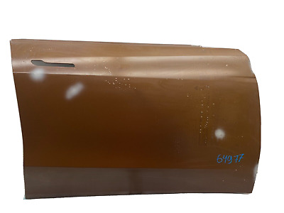 | L=1 | 1 | $120.00 | used | $120.0
11 | MY | The Left Rear Door The Right Rear Door | 后车门 L 后车门 R | 1493561-S0-A 1493562-S0-A | 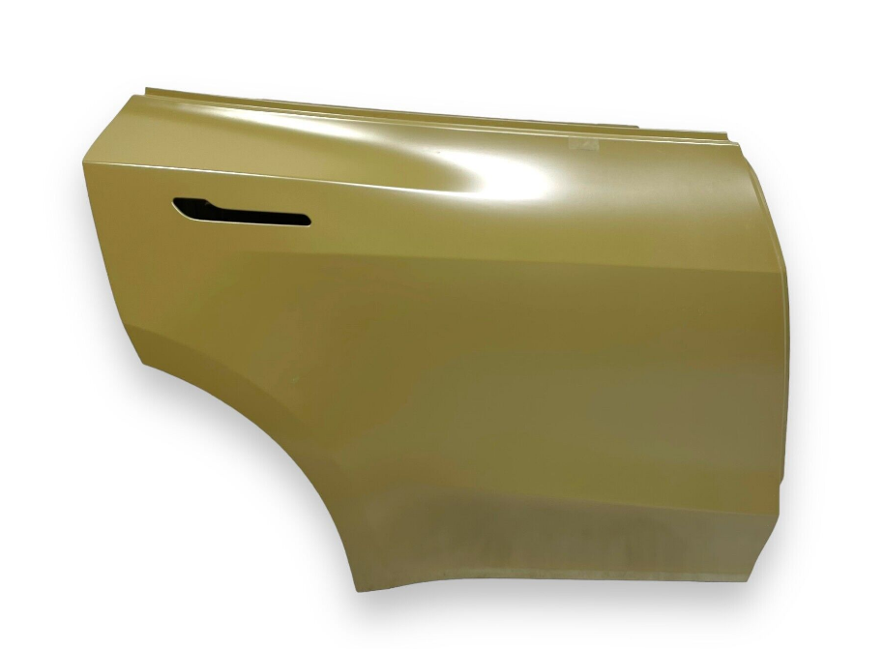 | L=1 | 1 | $120.00 | used | $120.0
12 | MY/22 | Front Windshield | 前挡玻璃 （8条线） | 1615892-00-E | 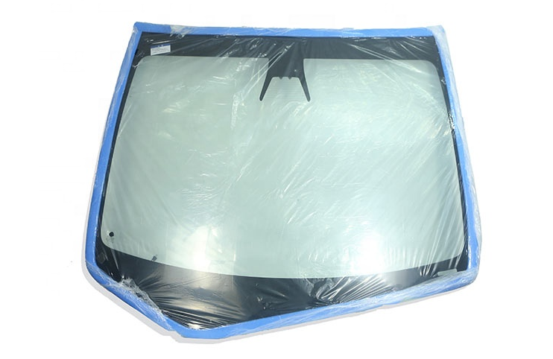 | 1 | 1 | $375.00 | Original | $375.0
13 | MY | Left Front Door Glass Front Right Door Glass | 车门玻璃-前L 车门玻璃-前R | 1582616-01-A 1582617-01-A | 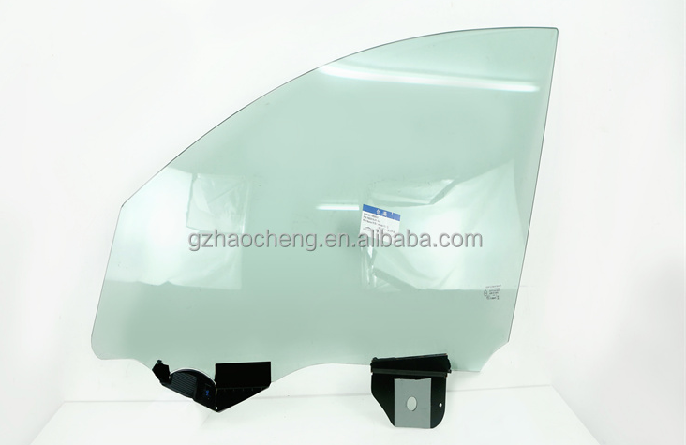 | L=1 | 1 | $117.00 | Original | $117.0
14 | M3/21/MY | Headlamps L Headlamps R | 大灯L 大灯R | 1514952-00-C 1514953-00-C | 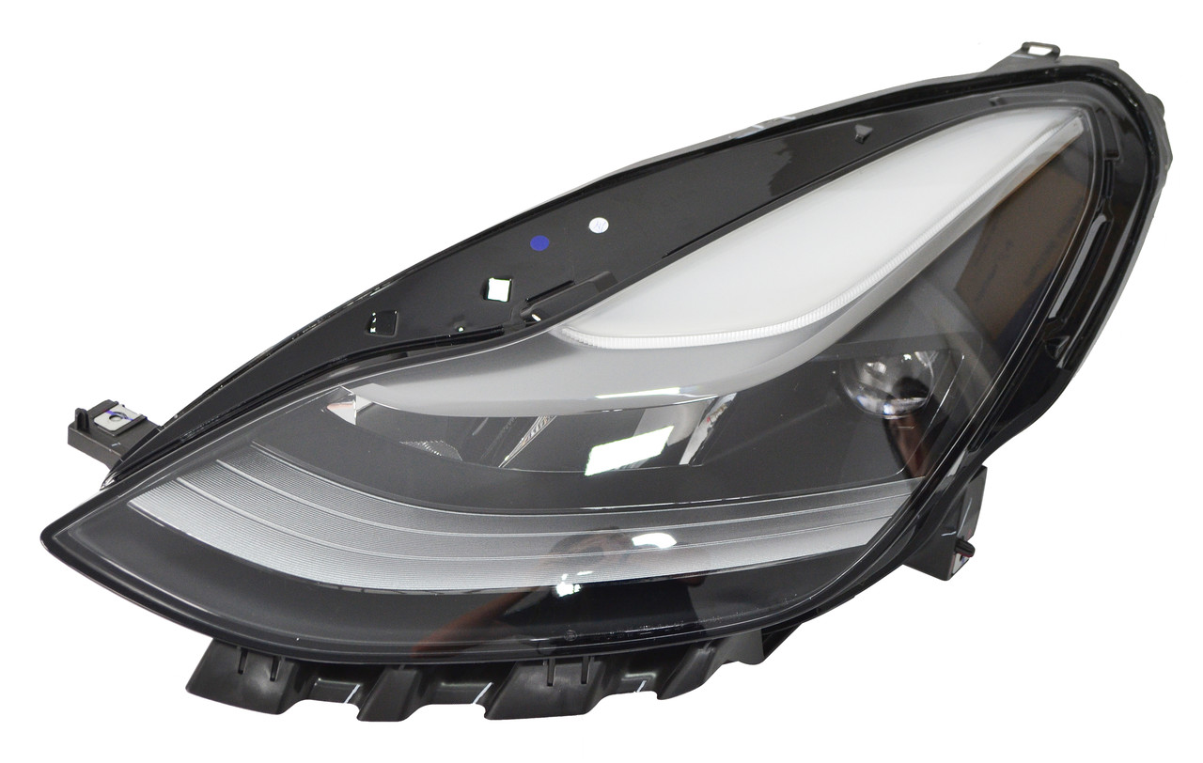 | L=1 R=1 | 2 | $240.50 | Original | $481.0
15 | M3/MY | Fog lamp L Fog lamp R American | 雾灯L-美版 雾灯R-美版 | 1077392-00-E 1077391-00-E | 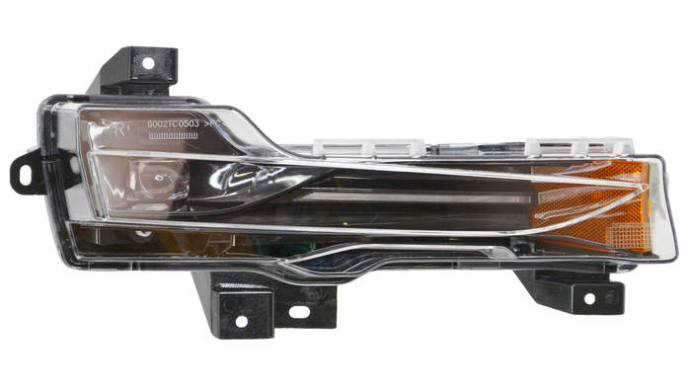 | L=1 R=1 | 2 | $91.00 | Original | $182.0
16 | M3/21/MY | Fender Camera L Fender Camera R | 翼子板摄像头 L 翼子板摄像头 R | 1125106-50-H 1125107-50-H | 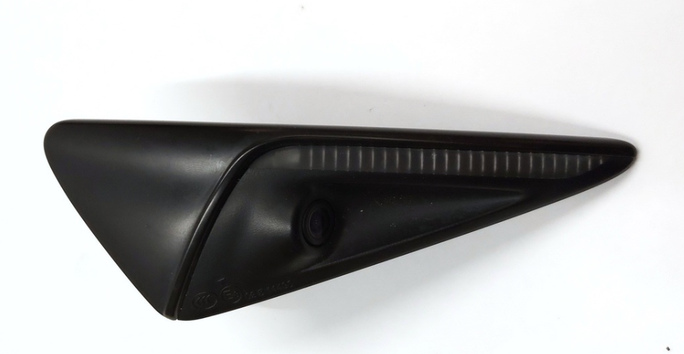 | L=1 | 1 | $91.00 | Original | $91.0
17 | MY | Rearview Mirror L Rearview Mirror R | 倒车镜L 倒车镜R | 1609790-99-A 1609791-99-A | 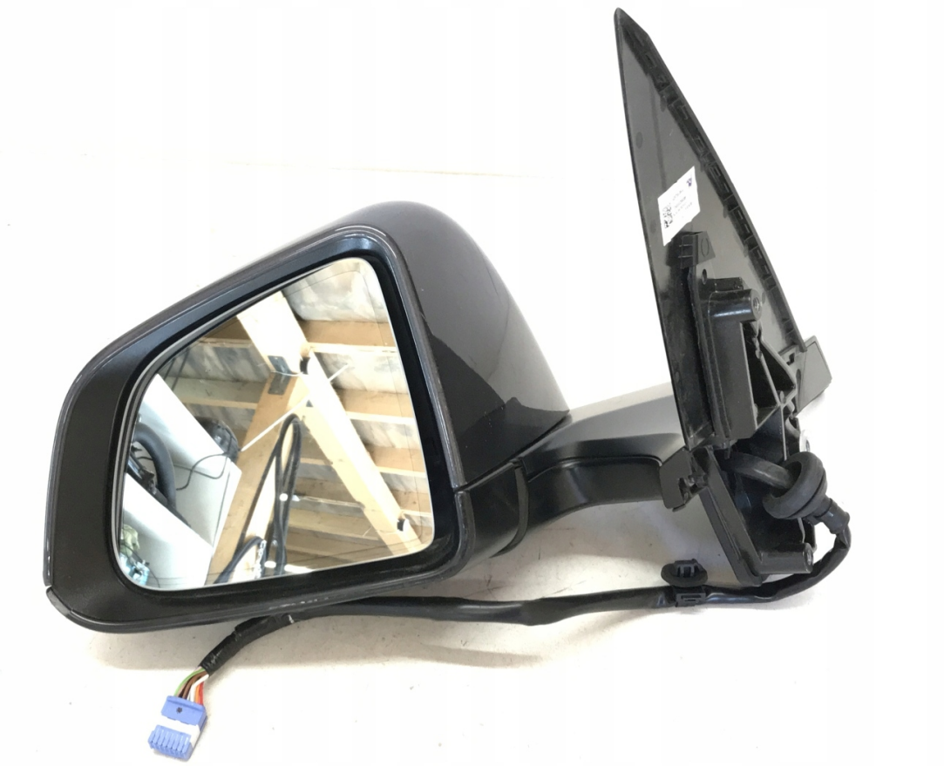 | L=1 | 1 | $155.00 | Original | $155.0
18 | MY | Mirror trim panel L Mirror trim panel R | 倒车镜三角板L 倒车镜三角板R | 1495632-00-B 1495633-00-B | 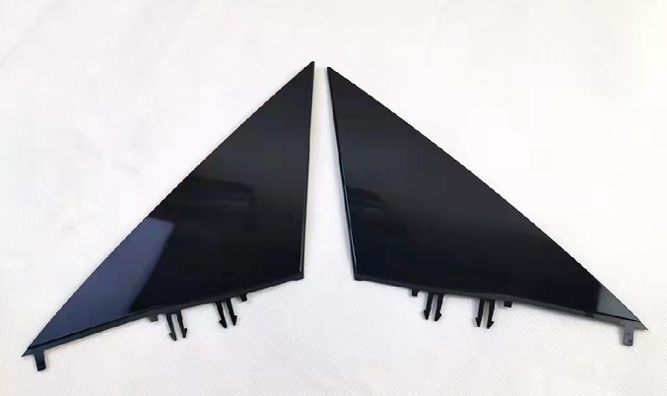 | L=1 | 1 | $11.00 | Original | $11.0
19 | MY | Front Bumper Absorber | 前杠泡沫 | 1487605-00-A | 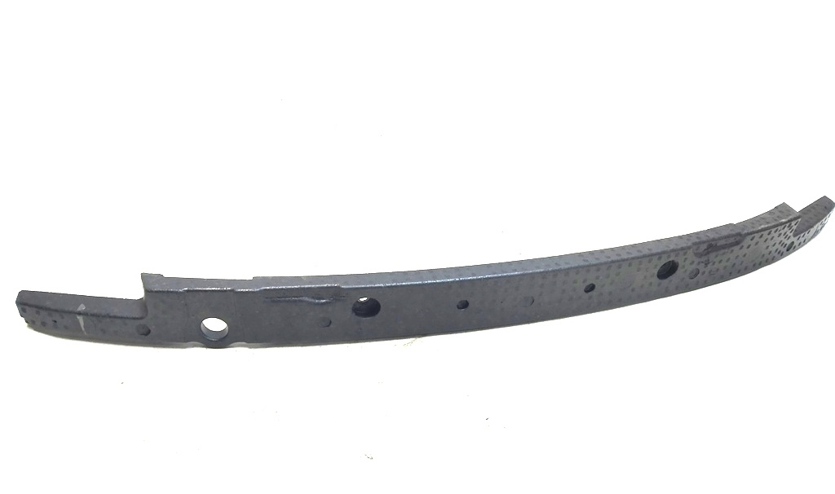 | 1 | 1 | $7.00 | copy | $7.0
20 | MY | Front bumper upper frame | 前杠骨架 | 1487601-00-C | 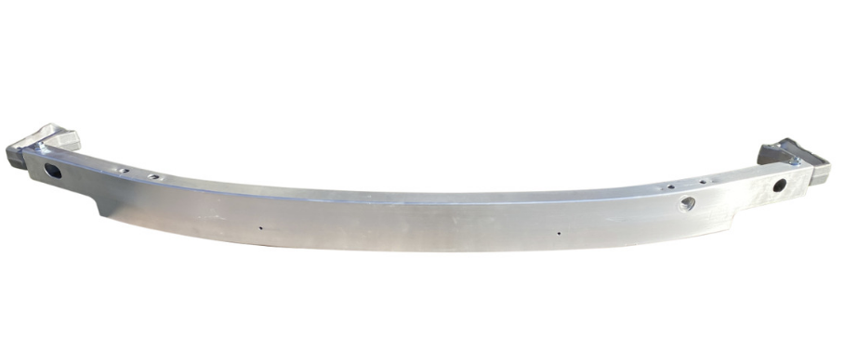 | 1 | 1 | $33 | copy | $33.0
21 | MY | Front bumper lower frame | 下横梁 | 1505433-00-A | 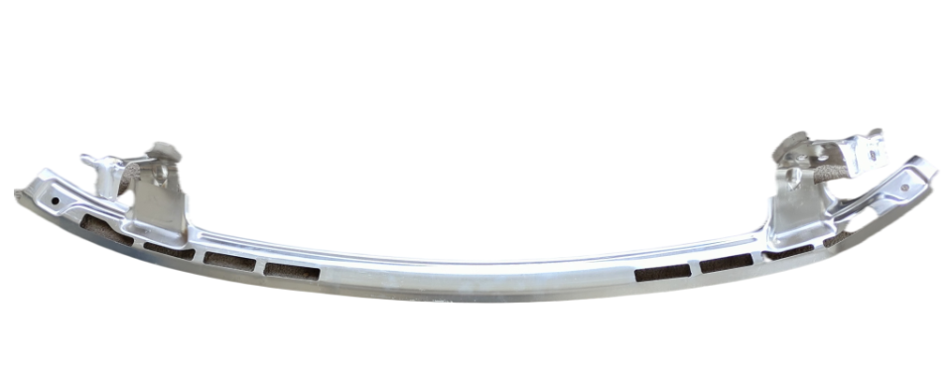 | 1 | 1 | $23.40 | copy | $23.4
22 | MY/23 | Front bumper buffer bracket | 前杠缓冲支架 | 1495093-00-C | 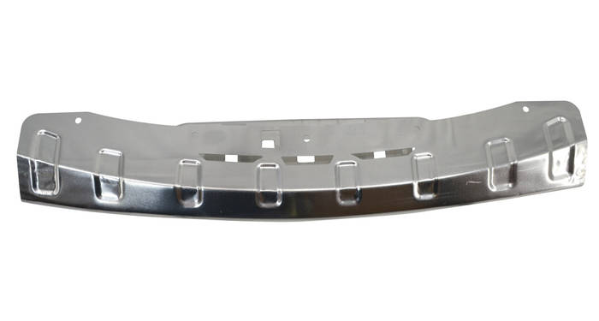 | 1 | 1 | $52.00 | Original | $52.0
23 | MY | Rear Bumper Metal | 后杠骨架 | 1487616-00-A | 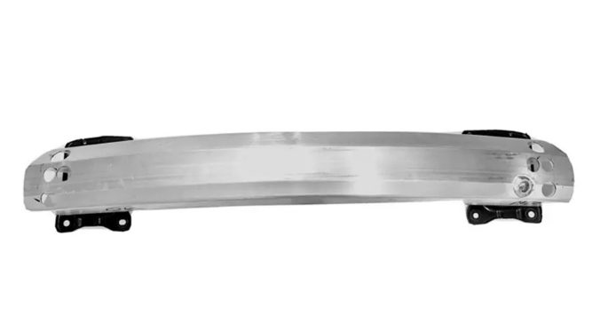 | 1 | 1 | $44.00 | copy | $44.0
24 | MY | Front trunk support | 前行李箱下铝支架 | 1518495-00-B | 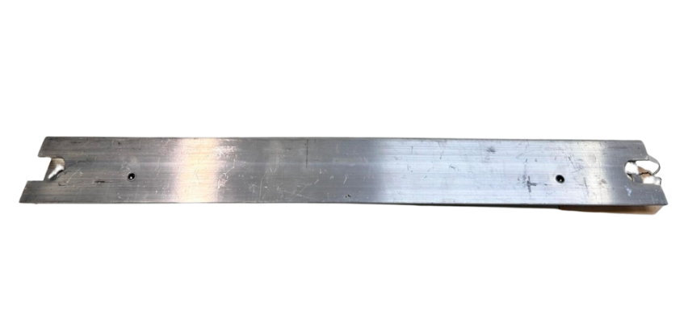 | 1 | 1 | $43.00 | copy | $43.0
25 | MY | Anti-Collision Beam Support/R Anti-Collision Beam Support/L | 大梁头L 大梁头R | 1487461-00-A 1487462-00-A | 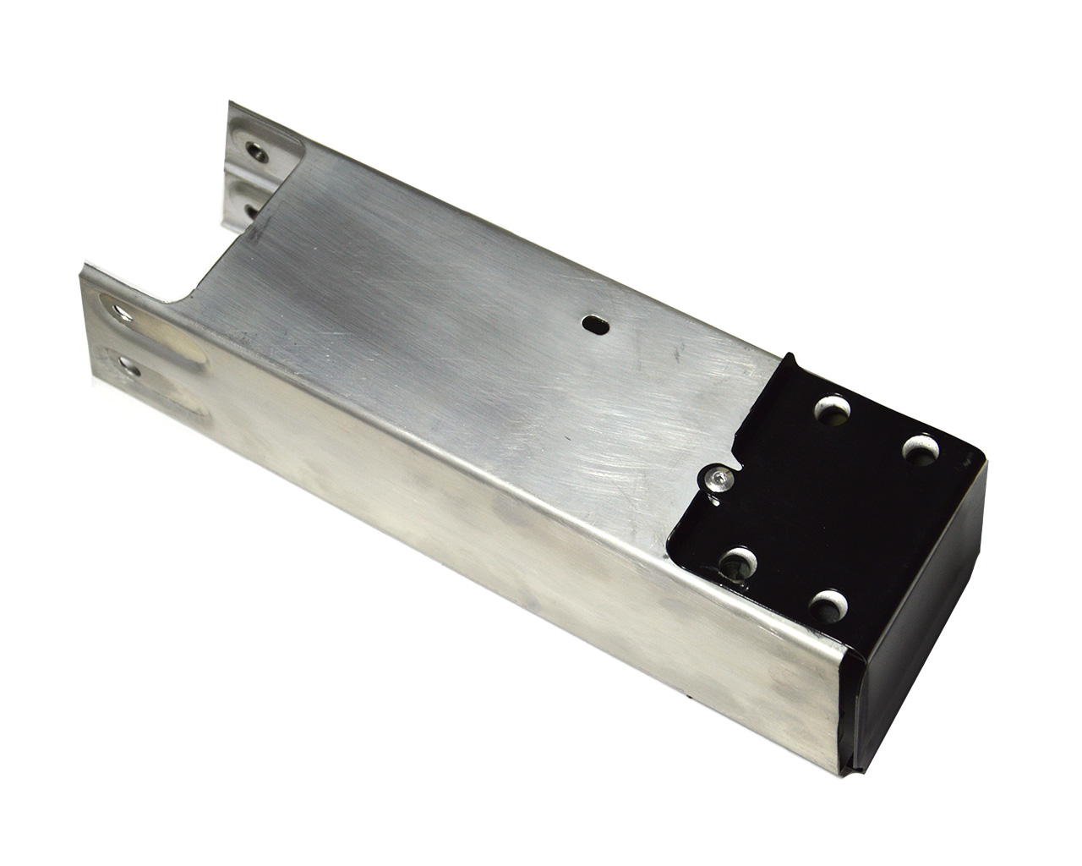 | L=1 R=1 | 2 | $20.00 | copy | $40.0
26 | M3/MY | Front bumper frame bracket | 小梁头 | 1109193-00-C | 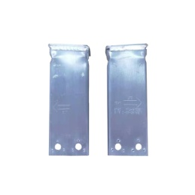 | 2 | 2 | $8.00 | copy | $16.0
27 | MY | Fender bracket L Fender bracket R | 叶子板支架L 叶子板支架R | 1504589-S0-A 1504590-S0-A |  | L=1 R=1 | 2 | $6.00 | copy | $12.0
28 | MY | Rear Fender side plate L Rear Fender side plate R | 后出风口支架L 后出风口支架L | 1510098-S0-A 1522163-S0-A | 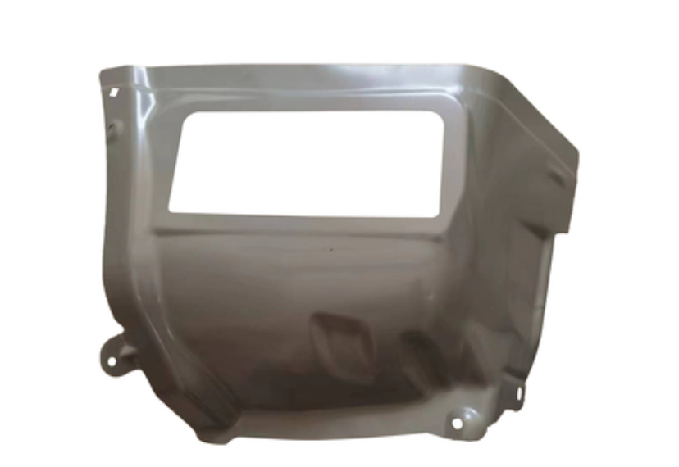 | L=1 R=1 | 2 | $50.00 | copy | $100.0
29 | MY | Window Shield | 集水板-上 | 1492605-00-A 1619812-00-A 1619813-00-A | 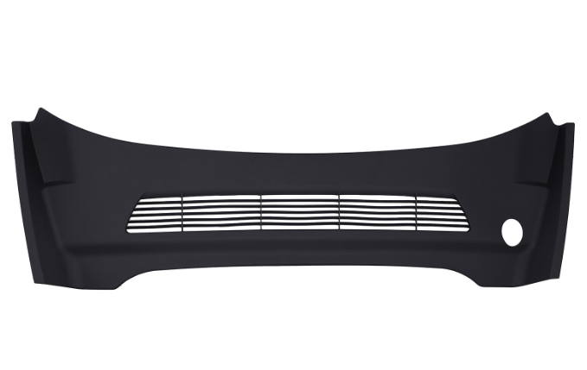 | 1 | 1 | $39.00 | Original | $39.0
30 | MY | Window Shield | 集水板 | 1492603-00-B | 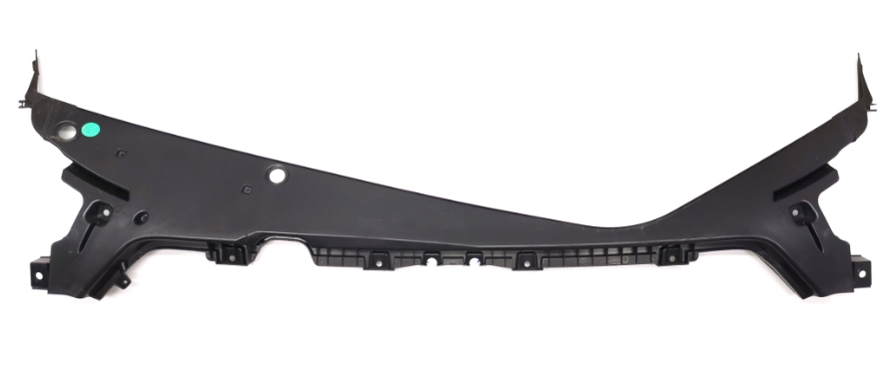 | 1 | 1 | $78.00 | Original | $78.0
31 | MY | Front Bumper Lower Board | 前杠下护板 | 1493760-00-A 1613579-00-A | 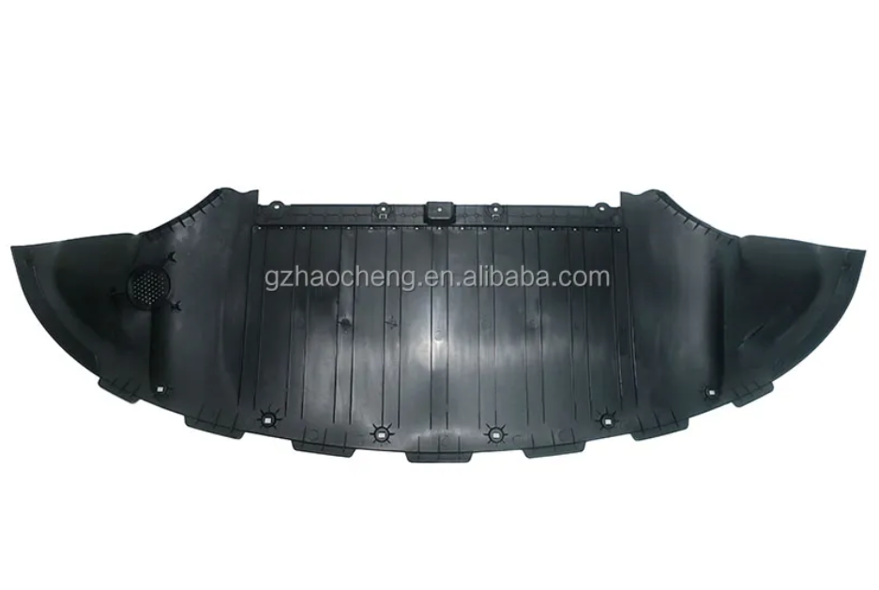 | 1 | 1 | $28.00 | Original | $28.0
32 | M3/21/MY | Front Motor Lower Guard | 前电机下护板 | 1499151-00-A | 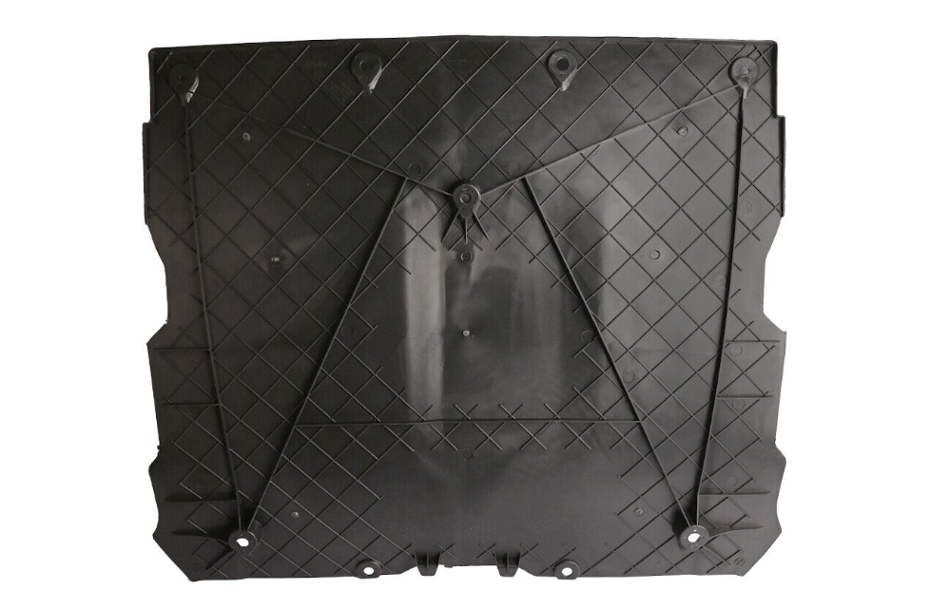 | 1 | 1 | $22.00 | Original | $22.0
33 | MY | Front Fender Lining L Front Fender Lining R | 叶子板内衬L 叶子板内衬R | 1492613-00-A 1492614-00-A | 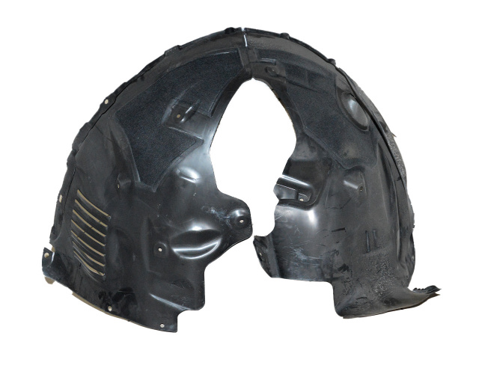 | L=1 | 1 | $22.00 | Original | $22.0
34 | MY | Front wheel eyebrow L Front wheel eyebrow R | 轮眉-前L 轮眉-前R | 1494185-00-B 1494186-00-B 1494161-00-B 1494162-00-B | 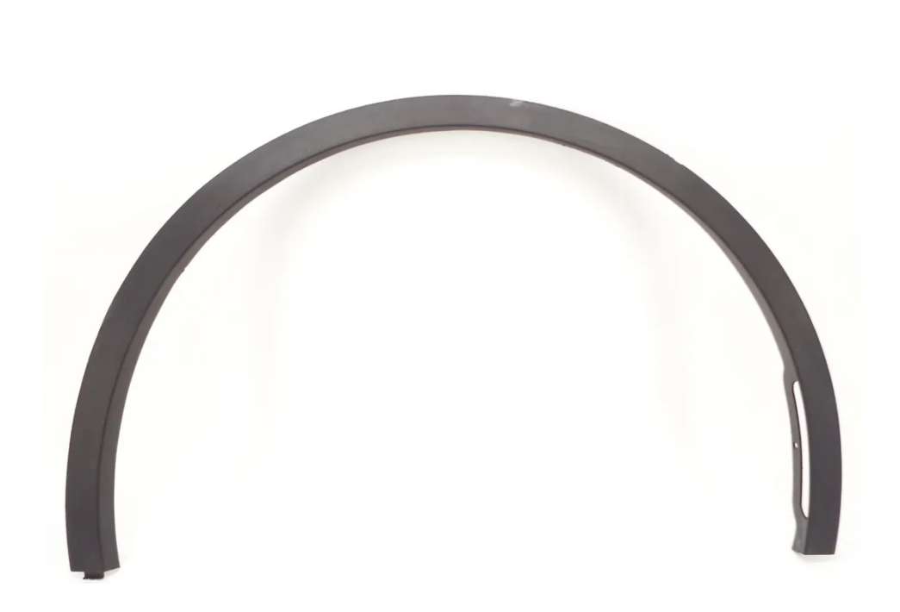 | L=1 | 1 | $110.50 | Original | $110.5
35 | MY | Front Bumper Bracket L Front Bumper Bracket R | 前杠中支架小L 前杠中支架小R | 1493772-00-B 1493773-00-B | 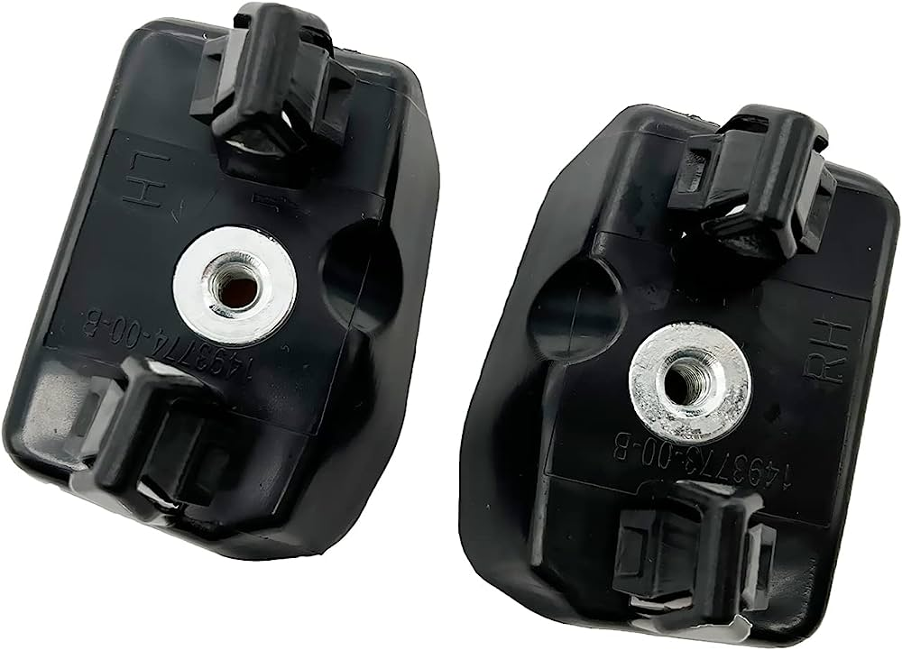 | L=1 | 1 | $13.00 | Original | $13.0
36 | MY | Front Bar Trailer Cover | 前拖车盖 | 1493746-00-A | 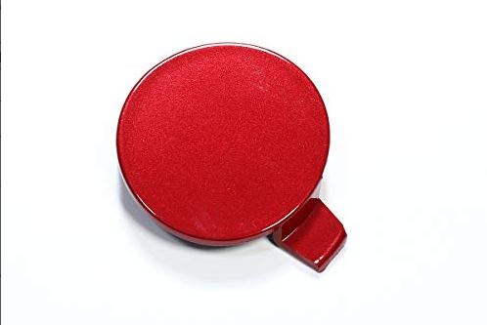 | 1 | 1 | $4.00 | Original | $4.0
37 | M3/MY | Battery Power Off Protector | 电瓶保护器 | 1064689-D0-1 | 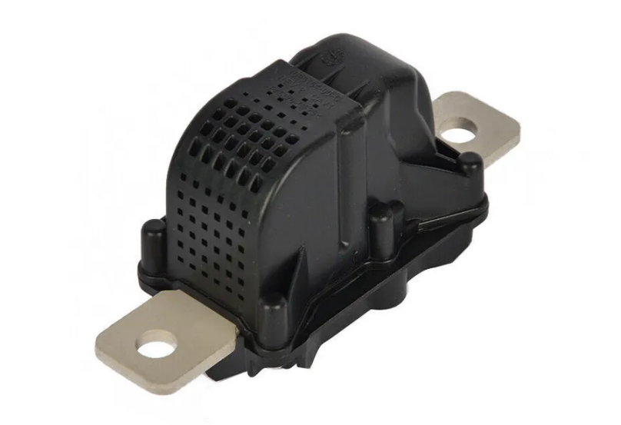 | 1 | 1 | $50 | Original | $50.0
38 | M3/21/MY | Tire pressure apparatus | 胎压传感器 | 1490701-01-B | 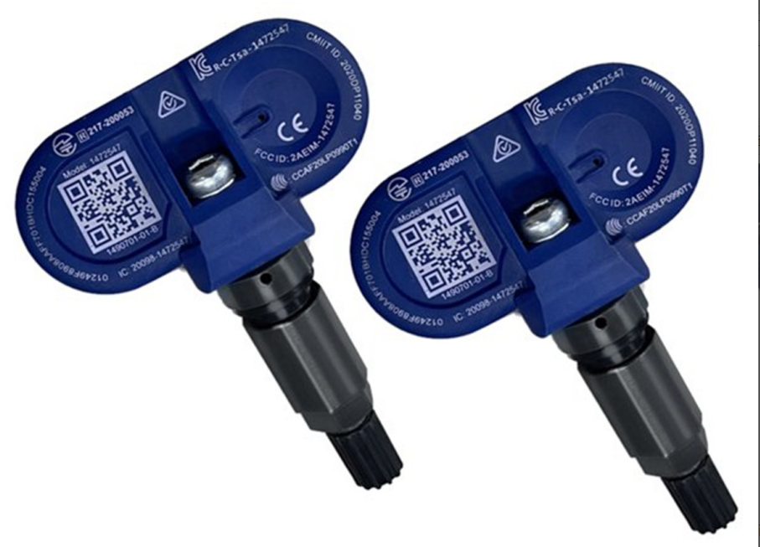 | 1 | 1 | $60.00 | Original | $60.0
39 | MY | Collision sensor | 碰撞传感器 | 1473444-00-A | 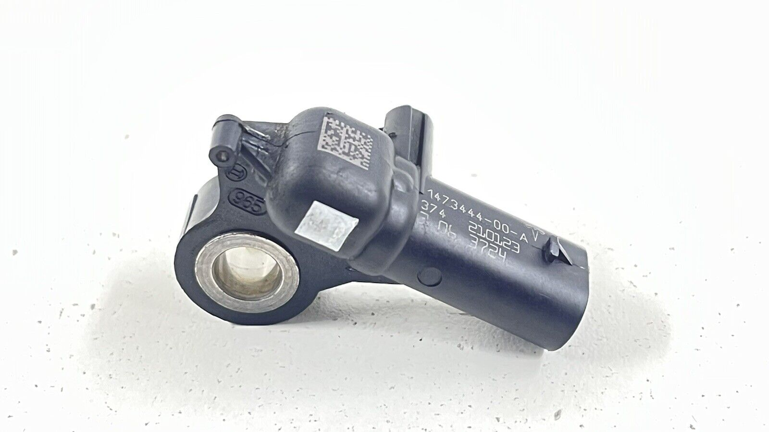 | 1 | 1 | $65.00 | Original | $65.0
40 | MY | Airbag computer | 气囊电脑 | 1512876-00-B | 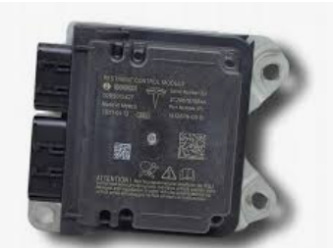 | 1 | 1 | $85.00 | used | $85.0
41 | MY | Head hinge L Head hinge R | 头盖铰链L 头盖铰链R | 1496267-00-B 1496268-00-B | 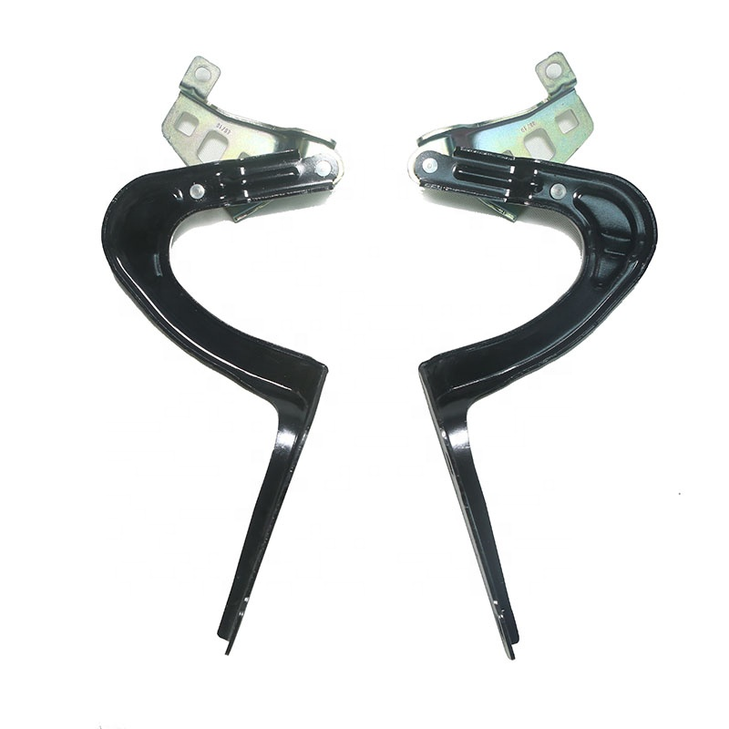 | L=1 R=1 | 2 | $18.00 | Original | $36.0
42 | M3/MY | Door latch | 车门锁扣 | 1525919-00-B | 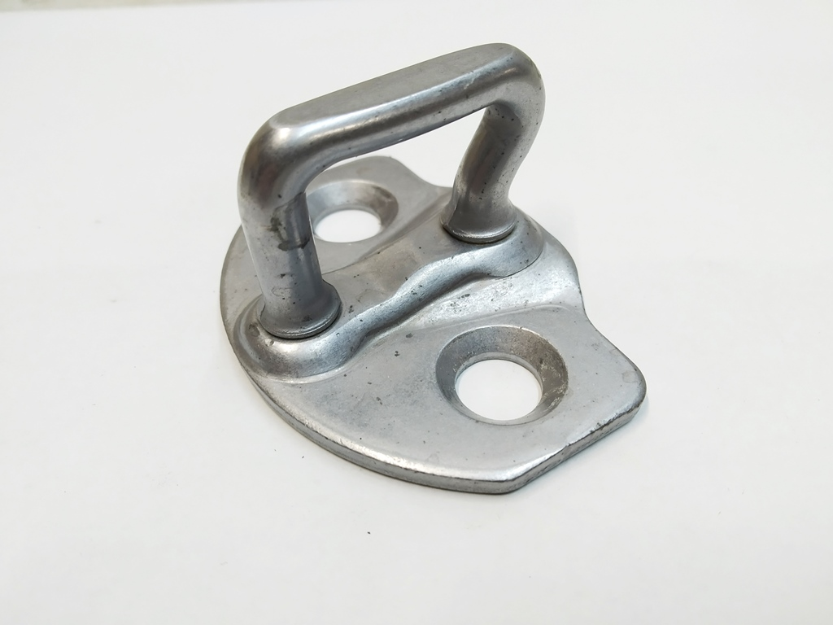 | 1 | 1 | $8.00 | Original | $8.0
43 | MY | Front door stopper | 限位器-前 | 1500682-00-B | 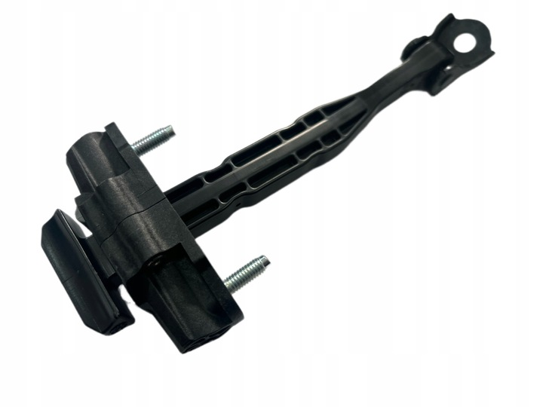 | 1 | 1 | $8.00 | Original | $8.0
44 | M3/21/MY | tank | 水箱 | 1494175-00-A | 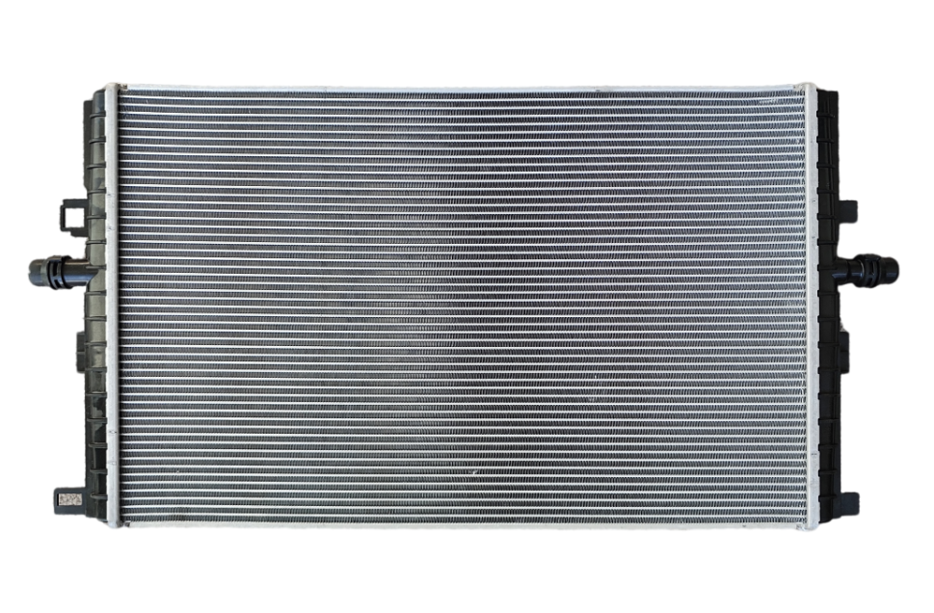 | 1 | 1 | $55.00 | copy | $55.0
45 | M3/21/MY | electric fan | 电子扇 | 1451762-00-A 1607808-00-A | 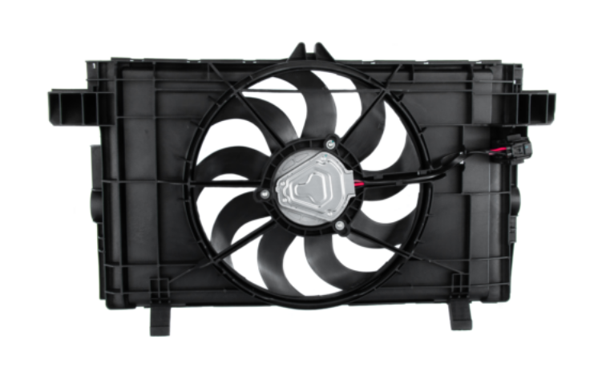 | 1 | 1 | $60.00 | copy | $60.0
46 | MY | Reversing radar (inside) | 倒车雷达-内 | 2525002-01-D | 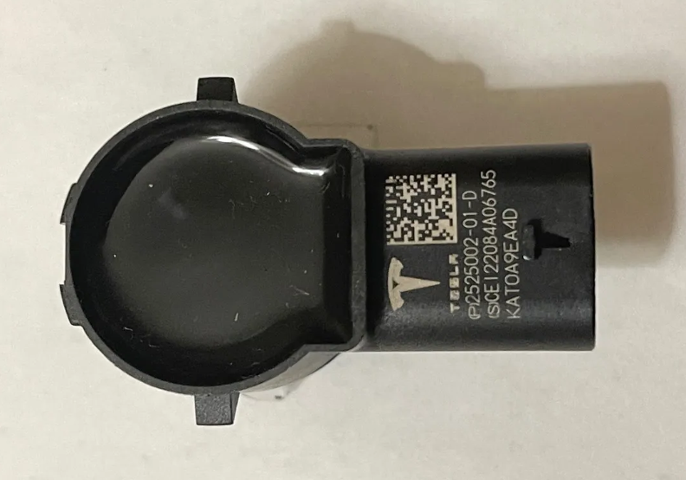 | 1 | 1 | $13.00 | Original | $13.0
47 | MY | Reversing radar (external) | 倒车雷达-外 | 2525001-01-D | 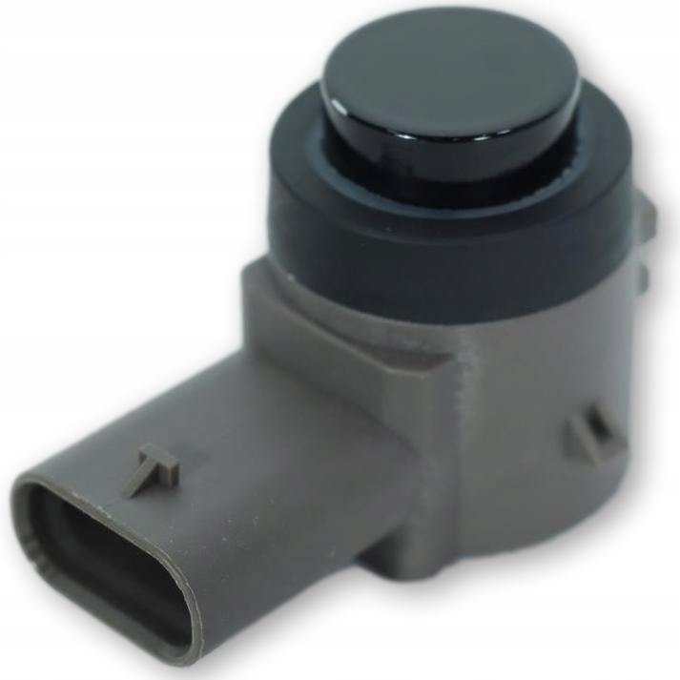 | 1 | 1 | $13.00 | Original | $13.0
48 | M3/21/MY | Main airbag | 主气囊 | 1626617-00-A | 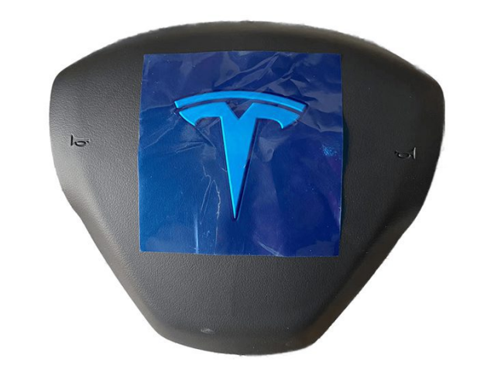 | 1 | 1 | $156.00 | Original | $156.0
49 | M3/MY | Passenger airbag | 副气囊 | 1077824-00-F 1077823-00-D | 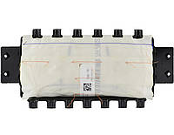 | 1 | 1 | $156.00 | Original | $156.0
50 | MY | Roof airbag L Roof airbag R | 侧气囊L 侧气囊R | 1490551-CN-D 1490552-CN-D | 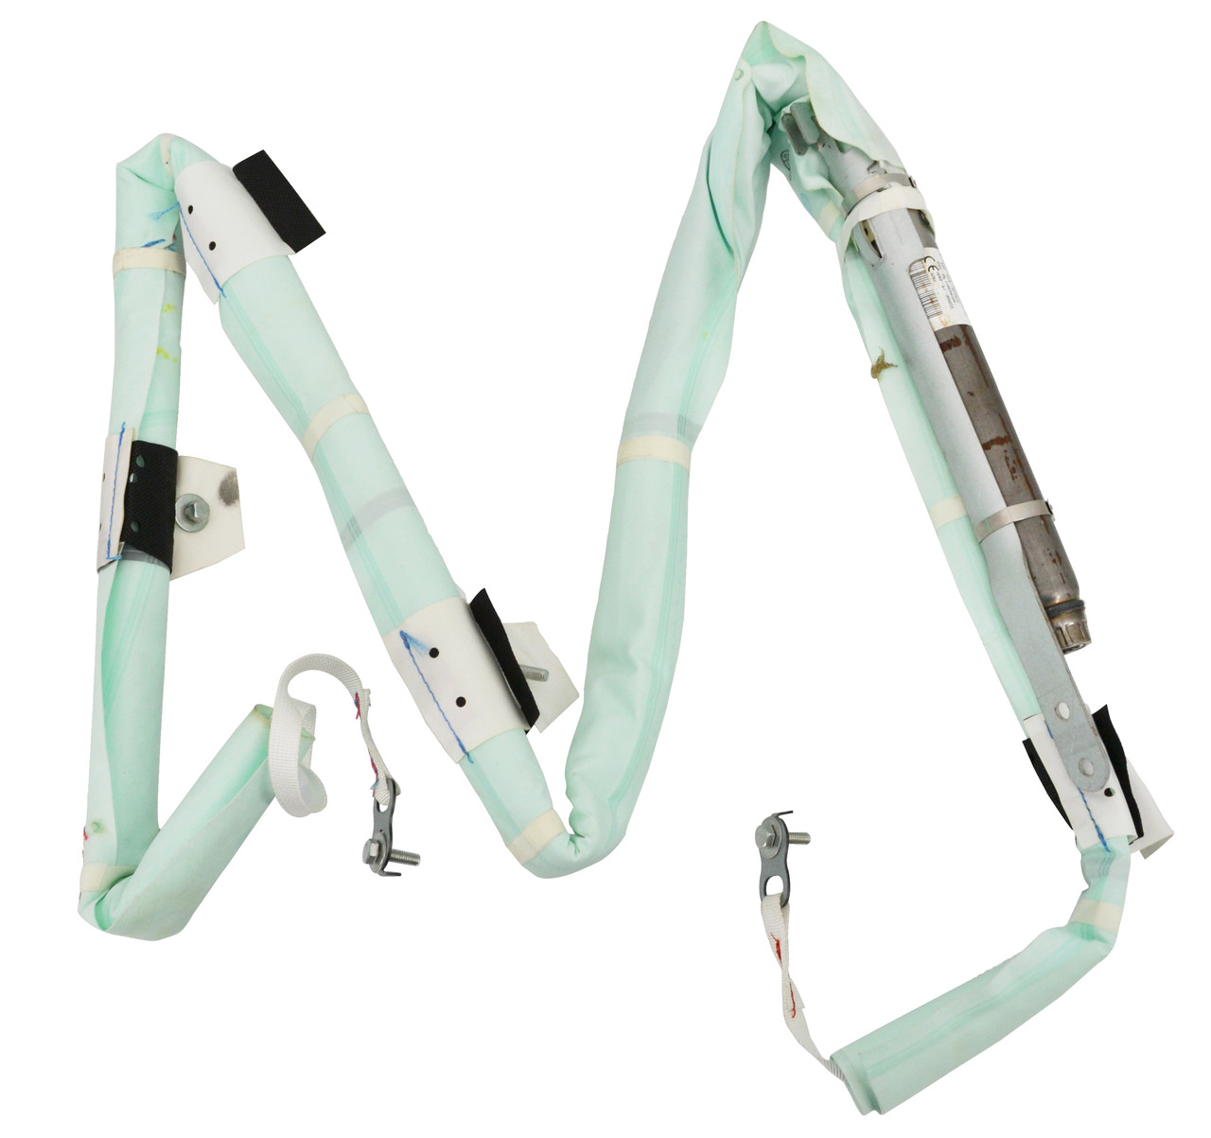 | L=1 | 1 | $188.50 | Original | $188.5
51 | M3/MY | Front Front Warning L Front Front Warning R | 安全带预紧器L 安全带预紧器R | 1090322-01-C 1090324-01-C | 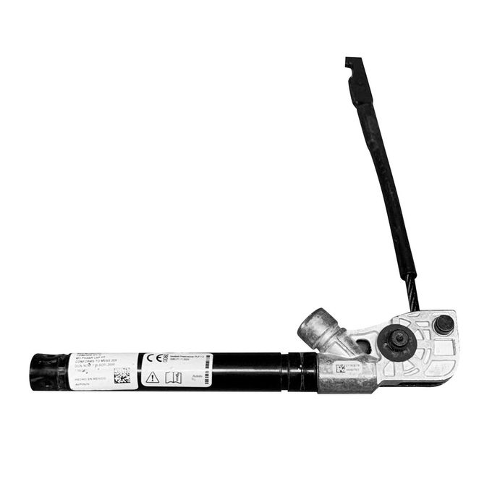 | L=1 | 1 | $45.50 | Original | $45.5
52 | MY | Safety Belt L Safety Belt R | 安全带L 安全带R | 1493802-C1-B 1493803-C1-B |  | L=1 | 1 | $130.00 | Original | $130.0
53 | MY | Head cover brace | 头盖撑杆 | 1505547-00-A |  | 1 | 1 | $13.00 | Original | $13.0
54 | M3/MY | Front Suspension Upper Arm L Front Suspension Upper Arm R | 上摆臂L 上摆臂R | 1044321-00-G 1044326-00-G |  | L=1 | 1 | $45.00 | copy | $45.0
55 | MY | Front Suspension Straight Lr | 下摆臂/LR | 1188341-00-C |  | 1 | 1 | $58.00 | Original | $58.0
56 | M3/MY | Front Lower Suspension Bay L Front Lower Suspension Bay R | 下弯臂L 下弯臂R | 1044354-00-A 1044359-00-A |  | L=1 | 1 | $50.00 | Original | $50.0
57 | M3/MY | Outer ball head of steering gear | 方向机外球头 | 1044841-00-E |  | 1 | 1 | $15.60 | Original | $15.6
58 | M3/MY | Inner ball head of steering gear | 方向机内球头 | 1044741-00-E |  | 1 | 1 | $15.60 | Original | $15.6
59 | M3/MY | Front Stabilizer Bar Ball Joint L Front Stabilizer Bar Ball Joint R | 前平衡杆球头L 前平衡杆球头R | 1044391-00-D 1044396-00-D 1188391-00-B 1188396-00-B |  | L=1 | 1 | $11.70 | Original | $11.7
60 | M3/MY | Rear Stabilizer Bar Ball Joint L Rear Stabilizer Bar Ball Joint R | 后平衡杆球头L 后平衡杆球头R | 1044491-00-E 1044496-00-E |  | L=1 | 1 | $11.70 | Original | $11.7
61 | MY | Front axle shaft | 前半轴 | 1188119-00-B 1188115-99-A |  | L=1 | 1 | $97.50 | Original | $97.5
62 | M3/MY | the front axle | 前桥 | 1044521-00-N 1044521-00-A 1044531-01-B |  | 1 | 1 | $150.00 | Original | $150.0
63 | MY | Steering knuckle L Steering knuckle R | 羊角L 羊角R | 1188311-00-D 1188316-00-D |  | L=1 | 1 | $120.00 | Original | $120.0
64 | M3/MY | Front shock absorber L Front shock absorber R | 前减总成L-两驱 前减总成R-两驱 | 1044364-00-E 1044369-00-F |  | L=1 | 1 | $52.00 | Original | $52.0
65 | M3/MY | Front shock absorber top glue | 前减顶胶 |  |  | 1 | 1 | $7.00 | Original | $7.0
66 | MY | 19 Inch Steel Ring | 钢圈-19寸 | 3488222-00-A |  | 1 | 1 | $130.00 | Original | $130.0
67 | MY | 19 Inch Wheel Cover | 轮盖-19寸 | 1044235-00-A |  | 1 | 1 | $39.00 | Original | $39.0
68 | M3/21/MY | Ac compressor(DENSO) | 压缩机(电装) | 1501256-00-H |  | 1 | 1 | $560.00 | Original | $560.0
69 | M3/MY | Compressor support | 压缩机支架 | 1500696-00-B |  | 1 | 1 | $135.00 | Original | $135.0
70 | MY/22 | Compressor support | 压缩机支架 | 1673627-00-C |  | 1 | 1 | $45.00 | Original | $45.0
71 | M3/MY | wiper arm small cover | 雨刮臂盖 | 1106610-00-A |  | 1 | 1 | $2.60 | copy | $2.6
72 | M3/MY | Built-in filter element （1 set） | 空调格-内 1套 | 1107681-00-A |  | 1 | 1 | $23.40 | Original | $23.4
73 | MY | External filter element （1 set） | 空调格外置-上 1套 | 1658376-00-A |  | 1 | 1 | $65.00 | Original | $65.0
74 | MY | External filter element （1 set） | 空调格外置-下 1套 | 1658375-00-A |  | 1 | 1 | $65.00 | Original | $65.0
 |  |  |  |  |  |  |  |  |  | 5606.1

